Base vs event conc
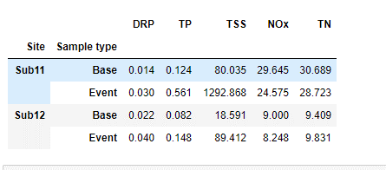
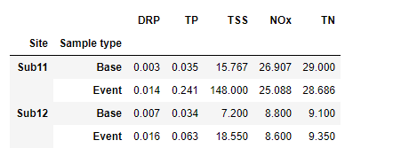
Comparison of base flow vs event flow samples analyte concentration at each catchment
Input |  |  |  |  |  |  | Mean | Median
 |  | Median (mg/L)
Catchment | Sample type | DRP | TP | TSS | NOx | TN
11 | Base | 0.003 | 0.035 | 15.8 | 26.9 | 29.0
 | Event | 0.014 | 0.241 | 148.0 | 25.1 | 28.7
12 | Base | 0.007 | 0.034 | 7.2 | 8.8 | 9.1
 | Event | 0.016 | 0.063 | 18.6 | 8.6 | 9.4

 |  | Base vs Event p-value
Catchment | Sample type | DRP | TP | TSS | NOx | TN
11 | Base vs event | 0.005 | 0 | 0.0 | 0.1 | 0.5

12 |  | 0.072 | 0.003 | 0.0 | 0.3 | 0.7
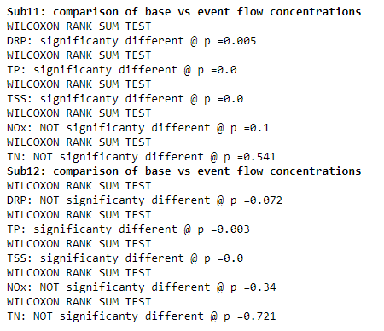
Automated
 |  | Base vs Event sig diff
Catchment | Sample type | DRP | TP | TSS | NOx | TN
11 | Base | b | b | b | a | a
 | Event | a | a | a | b | b
12 | Base | b | b | b | a | b
 | Event | a | a | a | b | a

 |  | Base vs Event sig diff
Catchment | Sample type | DRP | TP | TSS | NOx | TN
11 | Base |  |  |  | a | a
 | Event | a | a | a
12 | Base |  |  |  | a
 | Event | a | a | a |  | a

 |  | Base vs Event sig diff
Catchment | Sample type | DRP | TP | TSS | NOx | TN
11 | Base | b | b | b | a | a
 | Event | a | a | a | a | a
12 | Base | a | b | b | a | a
 | Event | a | a | a | a | a

Output
 |  | Base vs Event sig diff
Catchment | Sample type | DRP | TP | TSS | NOx | TN
11 | Base | 0.003 b | 0.035 b | 15.8 b | 26.9 a | 29.0 a
 | Event | 0.014 a | 0.241 a | 148.0 a | 25.1 a | 28.7 a
12 | Base | 0.007 a | 0.034 b | 7.2 b | 8.8 a | 9.1 a
 | Event | 0.016 a | 0.063 a | 18.6 a | 8.6 a | 9.4 a

11 vs 12 conc
Comparison of base flow vs event flow samples analyte concentration at each catchment
Input |  |  |  |  |  |  | Mean | Median
 |  | Median (mg/L)
Sample type | Catchment | DRP | TP | TSS | NOx | TN
Base | 11 | 0.003 | 0.035 | 15.8 | 26.9 | 29.0
 | 12 | 0.007 | 0.034 | 7.2 | 8.8 | 9.1
Event | 11 | 0.014 | 0.241 | 148.0 | 25.1 | 28.7
 | 12 | 0.016 | 0.063 | 18.6 | 8.6 | 9.4

 |  | 11 vs 12
Sample type | Catchment | DRP | TP | TSS | NOx | TN
Base | 11 vs 12 | 0.015 | 0.78 | 0.0 | 0.0 | 0.0
Event | 11 vs 12 | 0.797 | 0.002 | 0.0 | 0.0 | 0.0
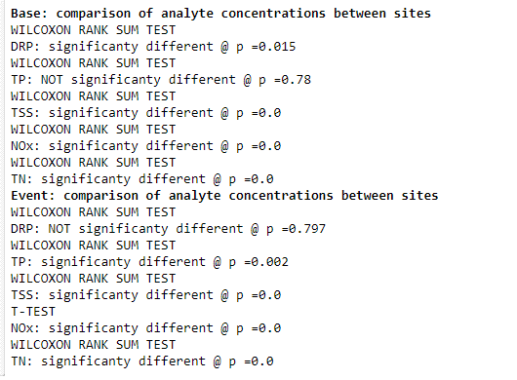

 |  | 11 vs 12
Catchment | Sample type | DRP | TP | TSS | NOx | TN
11 vs 12 | Base | yes | no | yes | yes | yes
11 vs 12 | Event | no | yes | yes | yes | yes

 |  | 11 vs 12
Sample type | Catchment | DRP | TP | TSS | NOx | TN
Base | 11 | b | a | a | a | a
 | 12 | a | a | b | b | b
Event | 11 | a | a | a | a | a
 | 12 | a | b | b | b | b

Output
 |  | Median (mg/L)
Sample type | Catchment | DRP | TP | TSS | NOx | TN
Base | 11 | 0.003 b | 0.035 a | 15.8 a | 26.9 a | 29.0 a
 | 12 | 0.007 a | 0.034 a | 7.2 b | 8.8 b | 9.1 b
Event | 11 | 0.014 a | 0.241 a | 148.0 a | 25.1 a | 28.7 a
 | 12 | 0.016 a | 0.063 b | 18.6 b | 8.6 b | 9.4 b

Correlation
Only significant (p<0.05) correlations were shown

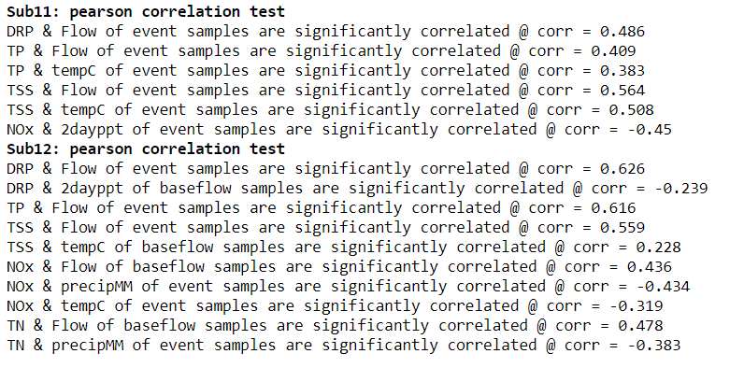
Catchment 11
Sample type | Analyte | Flow (cms) | 1-day ppt (mm) | 2-day ppt (mm) | 3-day ppt (mm) | Temp (ºC)
Base | DRP
 | TP
 | TSS
 | NOx
 | TN
Event | DRP | 0.486
 | TP | 0.409 |  |  |  | 0.383
 | TSS | 0.564 |  |  |  | 0.508
 | NOx |  |  | -0.45
 | TN

Catchment 12
Sample type | Analyte | Flow (cms) | 1-day ppt (mm) | 2-day ppt (mm) | 3-day ppt (mm) | Temp (ºC)
Base | DRP |  |  | -0.0239
 | TP
 | TSS |  |  |  |  | 0.228
 | NOx | 0.436
 | TN | 0.478
Event | DRP | 0.626
 | TP | 0.616
 | TSS | 0.559
 | NOx |  | -0.434 |  |  | -0.319
 | TN |  |  |  |  | -0.383

